PB COMMENTS
Date: 29/07/2021
Country | Energy.type | Last.stage | Method | Machine | Eu.product | Quantity | 1960 | 1961 | 1962 | 1963 | 1964 | 1965 | 1966 | 1967 | 1968 | 1969 | 1970 | 1971 | 1972 | 1973 | 1974 | 1975 | 1976 | 1977 | 1978 | 1979 | 1980 | 1981 | 1982 | 1983 | 1984 | 1985 | 1986 | 1987 | 1988 | 1989 | 1990 | 1991 | 1992 | 1993 | 1994 | 1995 | 1996 | 1997 | 1998 | 1999 | 2000 | 2001 | 2002 | 2003 | 2004 | 2005 | 2006 | 2007 | 2008 | 2009 | 2010 | 2011 | 2012 | 2013 | 2014 | 2015 | 2016 | 2017 | 2018 | 2019 | 2020
WMB | E | Final | PCM | General cargo ships | MP | eta.fu | 15.72% | 15.67% | 15.61% | 15.58% | 15.52% | 15.75% | 15.99% | 16.23% | 16.51% | 16.77% | 17.03% | 17.31% | 17.62% | 17.92% | 18.22% | 18.58% | 18.90% | 19.24% | 19.64% | 20.00% | 20.38% | 20.53% | 20.67% | 20.82% | 20.98% | 21.13% | 21.29% | 21.13% | 20.98% | 20.77% | 20.63% | 20.48% | 20.28% | 20.14% | 20.00% | 19.82% | 20.21% | 20.63% | 21.06% | 21.51% | 21.97% | 22.46% | 22.97% | 23.51% | 24.07% | 24.65% | 25.27% | 25.92% | 26.60% | 28.10% | 29.78% | 31.66% | 33.81% | 34.38% | 35.00% | 33.93% | 33.45% | 35.19% | 36.43% | 35.70% | 36.00%
WLD | E | Final | PCM | General cargo ships | MP | eta.fu | 15.72% | 15.67% | 15.61% | 15.58% | 15.52% | 15.75% | 15.99% | 16.23% | 16.51% | 16.77% | 17.03% | 17.31% | 17.62% | 17.92% | 18.22% | 18.58% | 18.90% | 19.24% | 19.64% | 20.00% | 20.38% | 20.53% | 20.67% | 20.82% | 20.98% | 21.13% | 21.29% | 21.13% | 20.98% | 20.77% | 20.63% | 20.48% | 20.28% | 20.14% | 20.00% | 19.82% | 20.21% | 20.63% | 21.06% | 21.51% | 21.97% | 22.46% | 22.97% | 23.51% | 24.07% | 24.65% | 25.27% | 25.92% | 26.60% | 28.10% | 29.78% | 31.66% | 33.81% | 34.38% | 35.00% | 33.93% | 33.45% | 35.19% | 36.43% | 35.70% | 36.00%
WLD | E | Final | PCM | General cargo ships | MP | phi.u | 1.00 | 1.00 | 1.00 | 1.00 | 1.00 | 1.00 | 1.00 | 1.00 | 1.00 | 1.00 | 1.00 | 1.00 | 1.00 | 1.00 | 1.00 | 1.00 | 1.00 | 1.00 | 1.00 | 1.00 | 1.00 | 1.00 | 1.00 | 1.00 | 1.00 | 1.00 | 1.00 | 1.00 | 1.00 | 1.00 | 1.00 | 1.00 | 1.00 | 1.00 | 1.00 | 1.00 | 1.00 | 1.00 | 1.00 | 1.00 | 1.00 | 1.00 | 1.00 | 1.00 | 1.00 | 1.00 | 1.00 | 1.00 | 1.00 | 1.00 | 1.00 | 1.00 | 1.00 | 1.00 | 1.00 | 1.00 | 1.00 | 1.00 | 1.00 | 1.00 | 1.00
WMB | E | Final | PCM | General cargo ships | MP | phi.u | 1.00 | 1.00 | 1.00 | 1.00 | 1.00 | 1.00 | 1.00 | 1.00 | 1.00 | 1.00 | 1.00 | 1.00 | 1.00 | 1.00 | 1.00 | 1.00 | 1.00 | 1.00 | 1.00 | 1.00 | 1.00 | 1.00 | 1.00 | 1.00 | 1.00 | 1.00 | 1.00 | 1.00 | 1.00 | 1.00 | 1.00 | 1.00 | 1.00 | 1.00 | 1.00 | 1.00 | 1.00 | 1.00 | 1.00 | 1.00 | 1.00 | 1.00 | 1.00 | 1.00 | 1.00 | 1.00 | 1.00 | 1.00 | 1.00 | 1.00 | 1.00 | 1.00 | 1.00 | 1.00 | 1.00 | 1.00 | 1.00 | 1.00 | 1.00 | 1.00 | 1.00

PB comments |  |  |  |  |  |  |  |  |  |  |  |  |  |  |  |  | decision for v1 database
1 | 2008 value looks odd from the 2021 study. its hard to see how the overall global fleet improves 50% over 4 years 2008-2012. I suggest we take out and smooth 1995-2012 |  |  |  |  |  |  |  |  |  |  |  |  |  |  | 1 | we keep with the CO2/t-nm approach. We can review for v2
2 | how did you decide which year = 2009 to index to 28% efficiency? The 28% seems to relate to average speed / knots, is that vlaue in 2009? |  |  |  |  |  |  |  |  |  |  |  |  |  |  | 2 | it means that efficiencies 1960-1990 are probably a bit low (versus engine efficiency - losses approach)
2 | heading up to 50% is approaching the max diesel engine BTE limit |  |  |  |  |  |  |  |  |  |  |  |  |  |  | 3 | it means that efficiencies 2010-2020 are probably a bit hjgh (versus engine efficiency - losses approach)
3 | I prefer the domestic boat method of Wartsila engine efficiency x propulsion efficiency. I propose we roll out to the 4 x large ships too: cargo, bulk carrier, container and tankers
 |  | engine efficiency - use the time-series for Wartsila for large diesel engines. They are one of the largest marine diesel engine manufacturers in the world, and the ships are international
 |  | post engine efficiency: Shi 2010 estimates 61.5% post engine efficiency (i.e. 38.5% post-engine losses). IMO2009 graphic has 28/43 = 65% post-engine efficiency
 | This may mean that cargo, bulk carrier, container and tankers collapse to one machine

Units
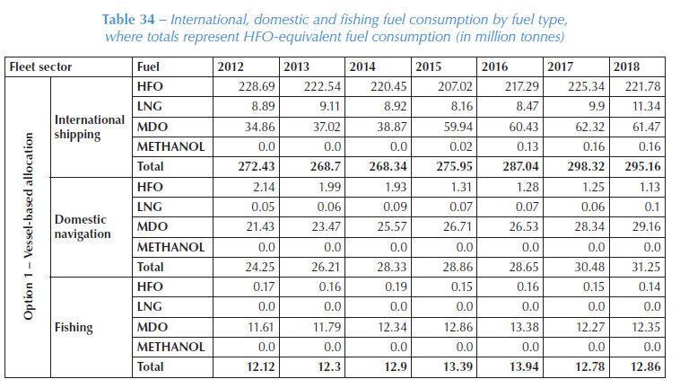
Year | Fuel | Consumption [million tonnes] | Consumption [-] | Emission factor [g CO2/g] | Specific energy [MJ/g] | Weighted Emission factor [g CO2/MJ] | Total [g CO2/MJ] | Ene
2018 | HFO | 221.78 | 75.24% | 3114 | 0.0418 | 56054.55 | 70816.32
2018 | LNG | 11.34 | 3.85% | 3206 | 0.0552 | 2234.52
2018 | MDO | 61.47 | 20.85% | 2750 | 0.0459 | 12494.80
2018 | METHANOL | 0.16 | 0.05% | 1375 | 0.023 | 32.45

IMO_2021
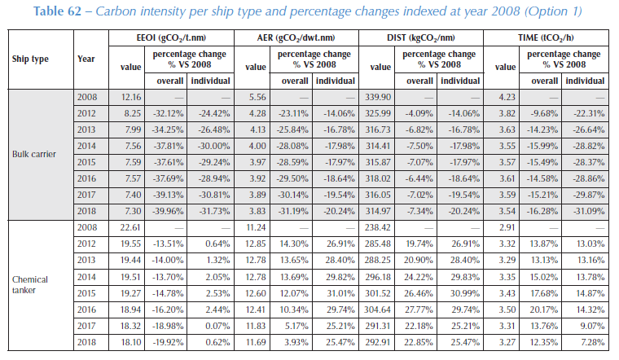
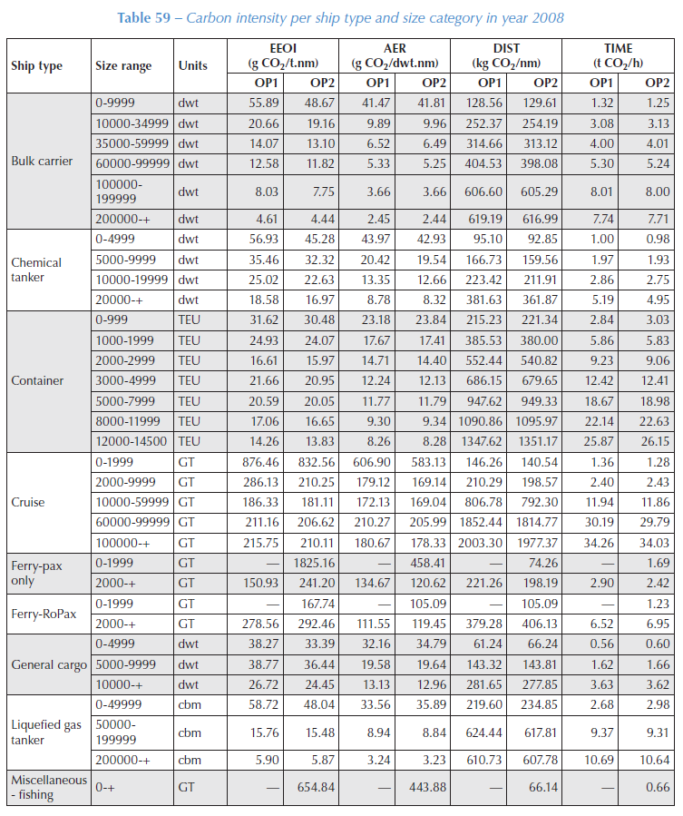

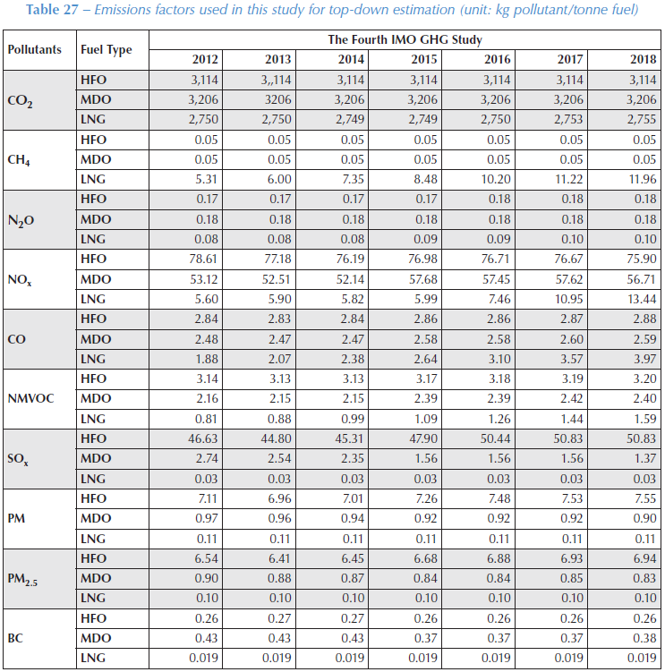
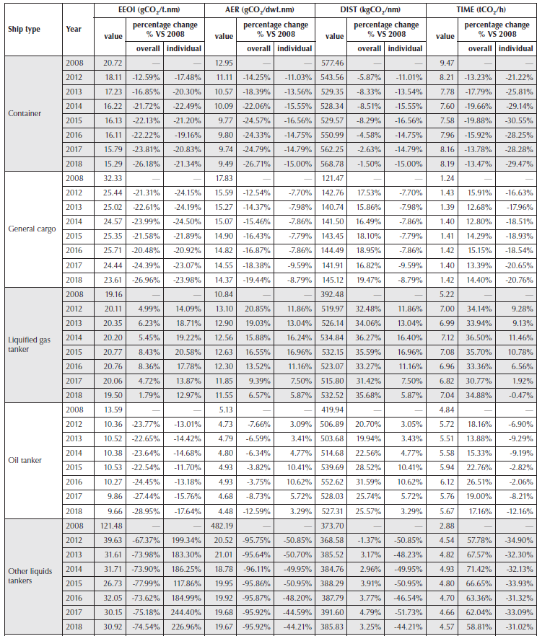

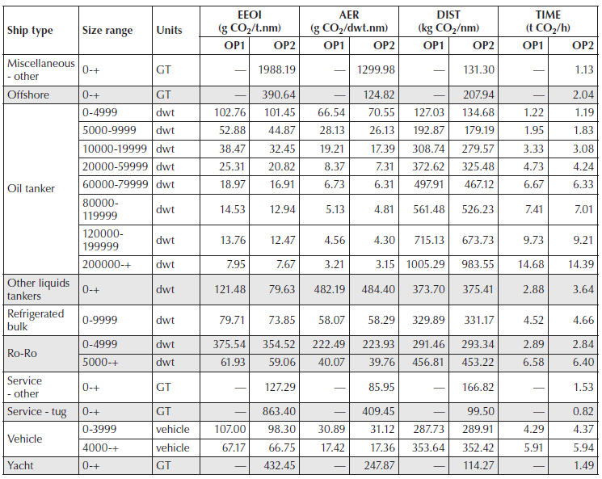

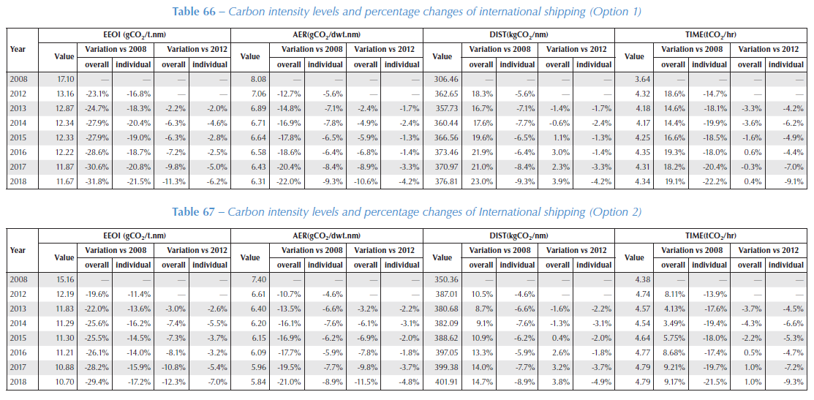

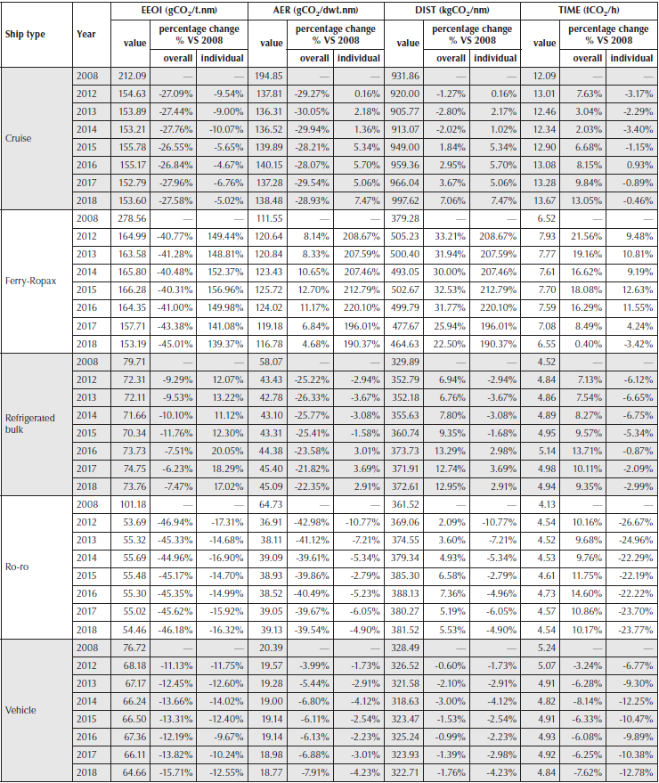

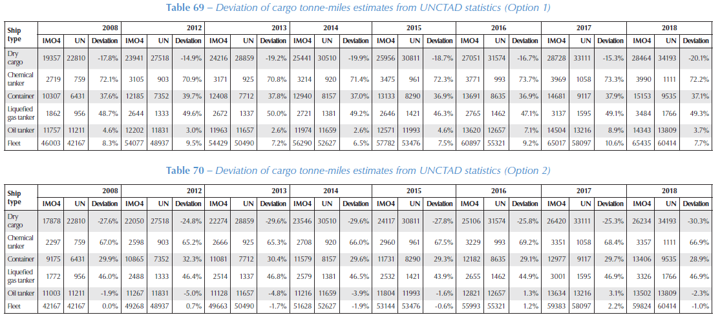

IMO_2009
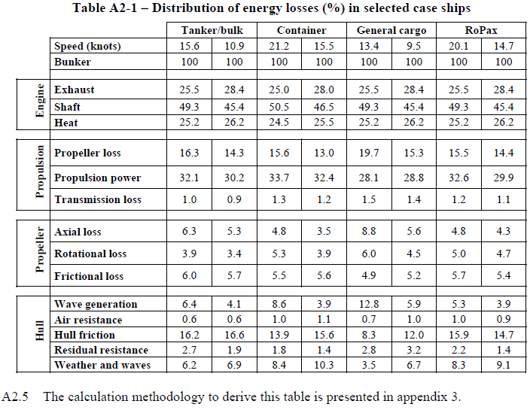
IMO (2009) - Second IMO GHG Study

Figure 5-1
 | Carbon intensity [gCO2/ton-nm]
Year | Gen Cargo | Container | Bulk | Tanker | Year | Energy Efficiency [-] | Year | Vessel Type | Speed [knots] | Efficiency to propulsion [-]
1960 | 54.70 |  | 24.85 | 44.39 | 2009 | 28.00% | 2009 | Tanker/Bulk | 15.6 | 32.10%
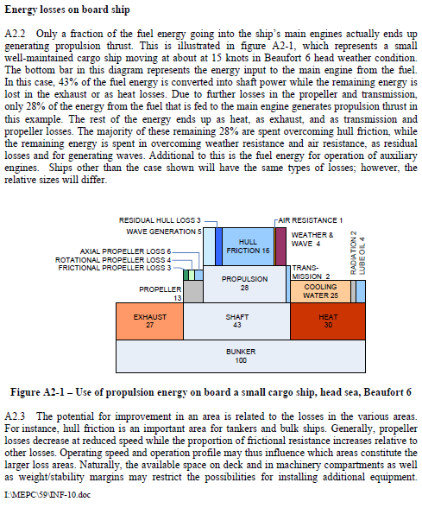
1961 | 54.90 |  | 25.05 | 43.99 |  |  | 2009 | Container | 21.2 | 33.70%
1962 | 55.10 |  | 25.24 | 43.60 |  |  | 2009 | General cargo | 13.4 | 28.10%
1963 | 55.20 |  | 25.43 | 43.20 |  |  | 2009 | RoPax | 20.1 | 32.60%
1964 | 55.40 |  | 25.62 | 42.81
1965 | 54.60 | 46.93 | 25.82 | 42.42
1966 | 53.80 | 47.56 | 25.55 | 41.02
1967 | 53.00 | 48.18 | 25.24 | 39.55
1968 | 52.10 | 48.81 | 24.93 | 38.07
1969 | 51.30 | 49.44 | 24.61 | 36.59
1970 | 50.50 | 50.07 | 24.30 | 35.11
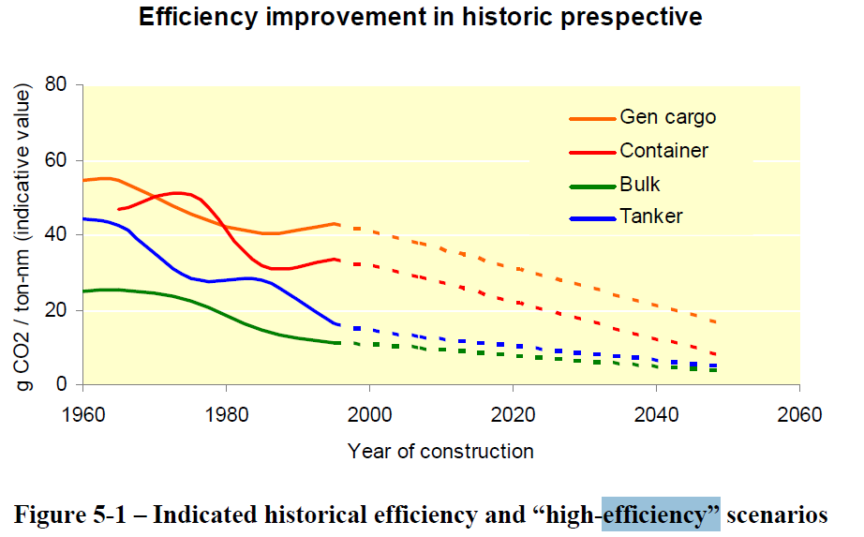
1971 | 49.70 | 50.68 | 23.99 | 33.63
1972 | 48.80 | 51.08 | 23.68 | 32.15
1973 | 48.00 | 51.48 | 23.37 | 30.68
1974 | 47.20 | 51.88 | 22.70 | 29.20
1975 | 46.30 | 50.96 | 21.97 | 28.67
1976 | 45.50 | 49.93 | 21.23 | 28.23
1977 | 44.70 | 47.79 | 20.49 | 27.78
1978 | 43.80 | 45.61 | 19.76 | 27.34
1979 | 43.00 | 43.44 | 19.02 | 27.42
1980 | 42.20 | 41.27 | 18.25 | 27.50
1981 | 41.90 | 39.09 | 17.47 | 27.59
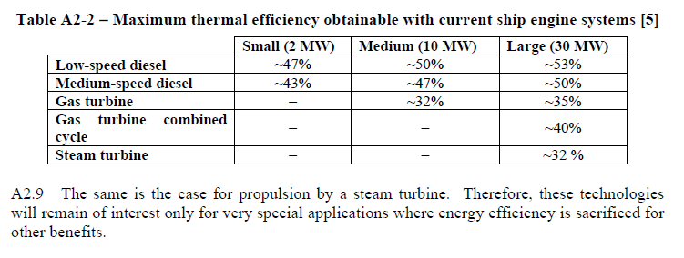
1982 | 41.60 | 36.92 | 16.69 | 27.67
1983 | 41.30 | 34.74 | 15.91 | 27.76
1984 | 41.00 | 33.51 | 15.13 | 27.82
1985 | 40.70 | 32.34 | 14.47 | 27.01
1986 | 40.40 | 31.17 | 13.83 | 26.20
1987 | 40.70 | 31.27 | 13.19 | 25.39
1988 | 41.00 | 31.46 | 12.55 | 24.57
1989 | 41.40 | 31.65 | 12.12 | 23.74
1990 | 41.70 | 31.83 | 11.84 | 22.55
1991 | 42.00 | 32.22 | 11.56 | 21.36
1992 | 42.40 | 32.62 | 11.28 | 20.17
1993 | 42.70 | 33.03 | 10.99 | 18.99
1994 | 43.00 | 33.43 | 10.82 | 17.80
1995 | 43.40 | 33.84 | 10.95 | 16.61

Faber_2014
Faber & Hoen (2015) - Historical trends in ship design efficiency
https://cedelft.eu/en/publications/1761/historical-trends-in-ship-design-efficiency
 |  | TANKERS | BULK CARRIERS | CONTAINER SHIPS
 | year built | average EIV as a percentage of the EEDI reference line
 | 1960 | 0.08600577662 | 0.036212816211
 | 1961 | 0.090384806673 | 0.058173580127
 | 1962 | 0.085075092607 | 0.10455931968
 | 1963 | 0.14784509095 | 0.12185599128
 | 1964 | 0.15066332697 | 0.19367598018
 | 1965 | 0.11490124632 | 0.20367843512
 | 1966 | 0.092372540477 | 0.20784150032
 | 1967 | 0.03220183138 | 0.2093886137
 | 1968 | 0.02708259243 | 0.19407625578
 | 1969 | 0.022875523697 | 0.21361088864
 | 1970 | 0.043556837908 | 0.25426040299 | 0.15634179358
 | 1971 | 0.034117052364 | 0.25245646426 | 0.12507855945
 | 1972 | 0.057540189664 | 0.2563426738 | 0.16852689619
 | 1973 | 0.076791963201 | 0.24483830174 | 0.10531672326
 | 1974 | 0.083940508445 | 0.24973830337 | 0.31446147978
 | 1975 | 0.10789911255 | 0.27578754201 | -0.015673317791
 | 1976 | 0.12517701748 | 0.26048040661 | 0.0030019597283
 | 1977 | 0.13669356308 | 0.25707104217 | 0.16541284722
 | 1978 | 0.1076352677 | 0.26079962559 | 0.023600273268
 | 1979 | 0.066305183665 | 0.28361847933 | 0.032829688217
 | 1980 | 0.042678852589 | 0.29426555902 | -0.00063315424388
 | 1981 | 0.01346252531 | 0.19043053496 | -0.0063606672393
 | 1982 | 0.036752214793 | 0.16286259662 | -0.17044518188
 | 1983 | 0.011189139036 | 0.15137898808 | -0.16212372971
 | 1984 | -0.0060668174628 | 0.035592414763 | -0.21511847692
 | 1985 | -0.072805296368 | 0.0027572787633 | -0.26011757327
 | 1986 | -0.053183936471 | -0.0041352343305 | -0.25379679186
 | 1987 | -0.065569203972 | -0.031077529801 | -0.20444939166
 | 1988 | -0.080371178782 | -0.063220239862 | -0.1340438094
 | 1989 | -0.056333713353 | -0.039723721024 | -0.1602128338
 | 1990 | -0.095208112714 | -0.063867764041 | -0.18826760804
 | 1991 | -0.044887759967 | -0.025992736573 | -0.14838962011
 | 1992 | -0.044603676379 | 0.0086863366602 | -0.15024235069
 | 1993 | 0.0036969432641 | -0.043225566487 | -0.16952134126
 | 1994 | -0.047777244626 | -0.018177226213 | -0.14156707057
 | 1995 | -0.037201703672 | 0.0011692638076 | -0.080874485894
 | 1996 | -0.037062960613 | 0.020799401333 | -0.073066348544
 | 1997 | 0.013064801111 | 0.015778931016 | -0.105652957
 | 1998 | 0.013331530439 | 0.017539157162 | -0.05046907484
 | 1999 | 0.0097679512938 | 0.01416393501 | -0.03259057126
 | 2000 | 0.01224418066 | 0.0074117214504 | -0.011419632902
 | 2001 | 0.039525885087 | 0.014888076113 | 0.013308641394
 | 2002 | 0.02090468617 | 0.06577031369 | 0.022085573547
 | 2003 | 0.018366979603 | 0.06452931603 | 0.004986001533
 | 2004 | 0.010229097252 | 0.050783386796 | -0.0060523864257
 | 2005 | 0.02352347208 | 0.047954704967 | -0.012199053499
 | 2006 | 0.031363489217 | 0.044123213358 | 0.0012089468992
 | 2007 | 0.022749778042 | 0.080884809321 | 0.0080224460211
 | 2008 | 0.028419814122 | 0.058208551384 | -0.016848207708
 | 2009 | 0.023326212842 | 0.054100145874 | -0.022305799849
 | 2010 | 0.013652817411 | 0.063615666515 | -0.029095719437
 | 2011 | 0.011610322726 | 0.075987664195 | -0.083129737082
 | 2012 | -0.00064278016968 | 0.059791214651 | -0.092477245552
 | 2013 | -0.011580615388 | 0.018922860564 | -0.18784032666
 | 2014 | -0.10260624685 | -0.063372595602 | -0.23157086427
 | 2015 | -0.088076412071 | -0.063936473646 | -0.21773029873

